Ad Verification - Double Verify
Reporting requirements |  |  |  |  |  | Screenshots & Help documentation: example

Please follow the below instructions to provide the exports, directly from the platform as CSV file (or Excel in case CSV files do not format the data correctly), as listed below.

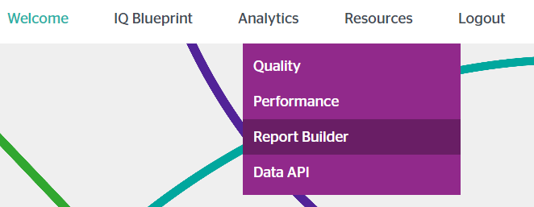
 |  |  |  |  |  | For the Display&OLV report:
Double Verify reporting (2 report types)
Please select "Analytics" -> "Report Builder" -> + CREATE NEW REPORT and then Standard - Custom Report for the Display&OLV export
Report 1: Display & OLV - Viewability, Brand Safety & Fraud report |  |  |  |  |  |  | Select "Report Builder" under "Analytics"
Export name |  |  |  | market_agency_ad_verification_doubleverify_displayolv

Historical pull |  |  |  | 1 January 2022 - 31 December 2023
Please make sure the report is set up with the correct date range - due to Double Verify's limitations in date range, this requires pulling multiple reports |  |  |  |  |  |  |  | Select "Custom Report"

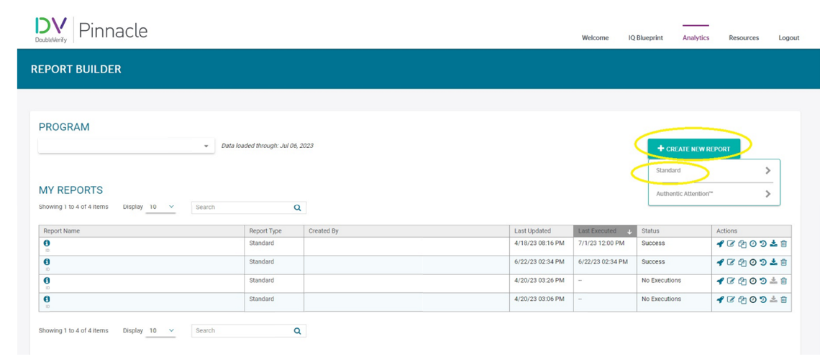
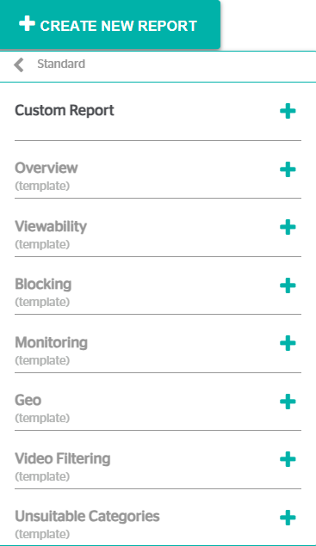
Scheduled reports |  |  |  | Full month, scheduled export on 1st of month
Please set the date range to 'previous month' and schedule the exports on a monthly basis every 1st of the month as CSV file (or Excel in case CSV files do not format the data correctly) to the designated email address

Data type | Sections | UI columns | Export columns | Definition | Origin
Dimensions |  | Advertiser Name | Advertiser Name | Name of the advertiser. | Ebiquity
 |  | Brand Name | Brand Name | Name of the brand. | Ebiquity
 |  | Campaign Name | Campaign Name | Name of the campaign. | Ebiquity
 |  | Date | Date | The set time interval of the reporting. | Ebiquity
 |  | Delivery Site | Delivery Site | Domain URL where the ads are tracked. | Ebiquity
 |  | Media Property | Media Property | Type of media property used. | Ebiquity
 |  | Media Type | Media Type | Type of media used. | Ebiquity
Metrics | Universal | Authentic Ads | Authentic Ads | Number of Authentic Ads within the reported period of time. | DoubleVerify
 |  | Blocks | Blocks | Number of requests blocked on pages and assigned with a certain category. | DoubleVerify
 |  | Eligible Impressions | Eligible Impressions | Impressions that had the potential to be measured for viewability, which is the count of all impressions that include DV viewability measurement technology. | DoubleVerify
 |  | Measured Impressions | Measured Impressions | Impressions for which DV was able to obtain the information needed to make decisions about viewability. The Measurement Rate provides a confidence level for each of the viewability dimensions so you can assess the broadness of the data used to determine a dimension. | DoubleVerify
 |  | Viewable Impressions | Viewable Impressions | Impressions across desktop, mobile web and mobile in-app delivery that were measured as viewable according to the IAB viewability guideline. | DoubleVerify
 |  | Authentic Viewable Impressions | Authentic Viewable Impressions | The impressions accredited for desktop, mobile web and mobile app environments which were measured as viewable according to the IAB viewability guideline and where the geographic targeting service is not included. | DoubleVerify
 |  | Monitored Ads | Monitored Ads | Number of monitored ads within the reported period. | DoubleVerify
 |  | Unique Incidents | Unique Incidents | The unique count of incidents within the reported period. | DoubleVerify | Below is what the reporting section looks like - please make sure to select the correct date range
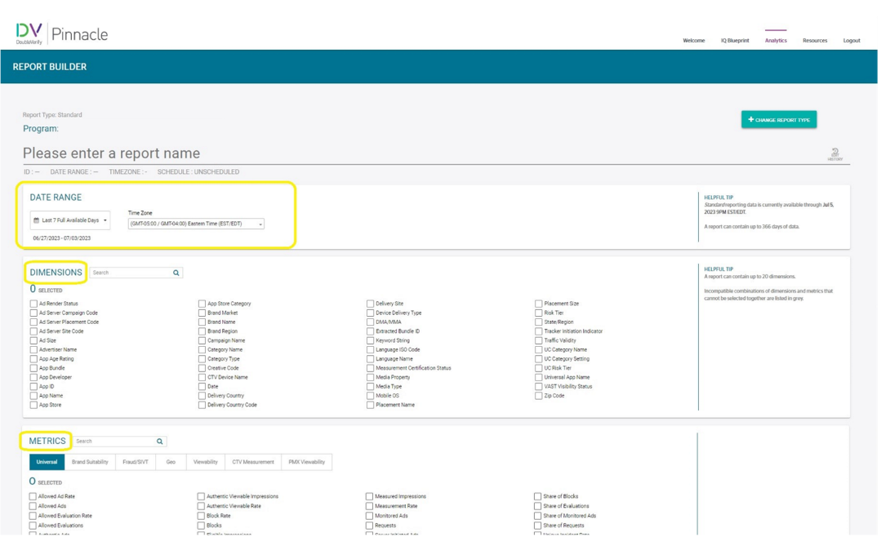
 | Brand Suitability | Brand Suitability Incidents | Brand Suitability Incidents | Brand Suitability Incidents represent the count of incidents from apps, sites or pages that served or were prevented from being served because they did not meet one or more of the Brand Suitability settings. | DoubleVerify
 |  | Brand Suitable Ads | Brand Suitable Ads | Ads that were served on pages, sites or app free from Brand Suitability and Brand Safety Floor incidents. | DoubleVerify
 | Fraud/ SIVT | Fraud Blocks | Fraud Blocks | The unique count of Blocks recorded as bot fraud, site fraud, nonhuman data center traffic and injected ad events. | DoubleVerify
 |  | Fraud Incidents | Fraud Incidents | The unique count of Incidents recorded as bot fraud, site fraud, nonhuman data center traffic and injected ad events. | DoubleVerify
 |  | Fraud/SIVT Incidents | Fraud/SIVT Incidents | The unique count of SIVT Incidents recorded as bot fraud, site fraud, nonhuman data center traffic and injected ad events. | DoubleVerify
 | Geo | Out of Geo Incidents | Out of Geo Incidents | Out of Geo Incidents show the number and percentage of ads served outside the designated geographic targeting area. | DoubleVerify
 | Viewability | 100% Display Viewable Impressions | 100% Display Viewable Impressions | The number of impressions where 100% of the creative was in the viewable portion of the browser for at least one second. | DoubleVerify
 |  | Audible and In-View on Completion Impressions | Audible and In-View on Completion Impressions | The percentage of impressions where 50% or more of the creative was in view and had audio turned on, on the player, at the completion of the video. | DoubleVerify
 |  | Q4 Viewable Impressions | Q4 Viewable Impressions | The percentage of viewable impressions within the fourth quartile of the video. | DoubleVerify

Please select "Analytics" -> "Report Builder " -> + CREATE NEW REPORT and then Proprietary Media Gardens - YouTube (Custom Report) for the YouTube export
Report 2: YouTube report

Export name |  |  |  | market_agency_ad_verification_doubleverify_youtube

Historical pull |  |  |  | 1 January 2022 - 31 December 2023
Please make sure the report is set up with the correct date range - due to Double Verify's limitations in date range, this requires pulling multiple reports

Scheduled reports |  |  |  | Full month, scheduled export on 1st of month
Please set the date range to 'previous month' and schedule the exports on a monthly basis every 1st of the month as CSV file (or Excel in case CSV files do not format the data correctly) to the designated email address |  |  |  |  |  |  |  |  | At the end of building the report you should save and run historic reports and save and schedule monthly ongoing reports

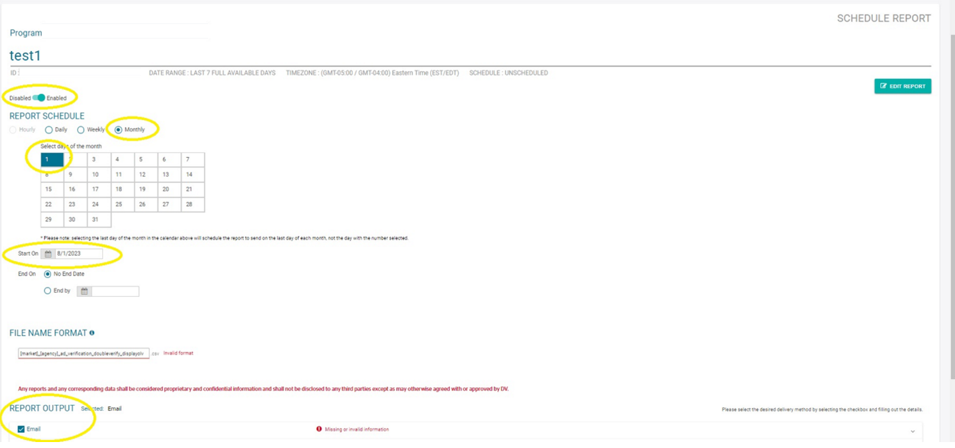
Data type | Sections | UI columns | Export columns | Definition | Comment
Dimensions |  | Advertiser Name | Advertiser Name | Name of the advertiser. | DoubleVerify
 |  | Brand Name | Brand Name | Name of the brand. | DoubleVerify
 |  | Buying Platform | Buying Platform | The name of the buying platform. | DoubleVerify
 |  | Platform Campaign Name | Platform Campaign Name | Name of the campaign. | DoubleVerify
 |  | Platform Campaign ID | Platform Campaign ID | The ID of the campaign. | DoubleVerify
 |  | Date | Date | The set time interval of the reporting. | DoubleVerify
 |  | Platform Insertion Order Name | Platform Insertion Order Name | The name of the insertion order. | DoubleVerify |  |  |  | If you are scheduling reports the schedule should look like below. Do not forget to add the correct person to the email distro list i.e., CLIENT@ebiquity.com
 |  | Platform Line Item Name | Platform Line Item Name | The name of the line item. | DoubleVerify
Metrics | Universal | Authentic Ads | Authentic Ads | Deduplicated count of impressions that were brand suitable, free from Fraud/SIVT, in the targeted geographic region. | DoubleVerify
 |  | Monitored Ads | Monitored Ads | Count of impressions monitored within a reported period. | DoubleVerify
 | Brand Suitability | Brand Safe Ads | Brand Safe Ads | The number of impressions where a video classification is not one of the Brand Safety Floor categories selected in the DV YouTube profile, and is deemed safe. | DoubleVerify
 |  | Brand Suitability Incidents | Brand Suitability Incidents | The number of impressions that triggered a Brand Safety incident based on the selection of Brand Safety Floor categories in the DV YouTube profile. | DoubleVerify
 |  | Brand Suitability Measured Ads | Brand Suitability Measured Ads | The number of impressions where a video classification existed at impression time. | DoubleVerify
 |  | Brand Suitability Monitored Ads | Brand Suitability Monitored Ads | The number of impressions served where the Brand Safety and Brand Suitability services were activated by Google. | DoubleVerify
 |  | Brand Suitable Ads | Brand Suitable Ads | The number of impressions where a video classification is not one of the Unsuitable Content categories selected in the DV YouTube profile, and is deemed suitable. | DoubleVerify
 |  | Unique Incidents | Unique Incidents | The deduplicated count of all impressions that were fraudulent and flagged as Brand Safety or Brand Suitability incidents per the criteria outlined in the DV YouTube Profile. | DoubleVerify
 |  | UC Incidents | UC Incidents | The number of Brand Suitability Measured Ads that triggered a unsuitable content (UC) category Incident due to a client’s unsuitable content category settings. | DoubleVerify
 | Fraud/ SIVT metrics | Fraud/SIVT Free Ads | Fraud/SIVT Free Ads | A deduplicated count of all types of impressions free from Fraud/SIVT | DoubleVerify
 |  | Fraud/SIVT Incidents | Fraud/SIVT Incidents | The unique count of Incidents recorded as bot fraud, site fraud, nonhuman data center traffic and injected ad events. | DoubleVerify
 | Video Viewability | Audible Impressions | Audible Impressions | Count of Audible Impressions that had audio turned on for any duration during the playback. | DoubleVerify | For the Youtube report:
 |  | Audible Viewable Impressions | Audible Viewable Impressions | The number of impressions that were viewable and had audio turned on, on the player, for any time duration. | DoubleVerify
 |  | Authentic Viewable Impressions | Authentic Viewable Impressions | An Authentic Viewable Impression includes an additional layer of analysis that shows when an Authentic Impression® also met the IAB viewability guideline. | DoubleVerify
 |  | Q1 Completed and Viewable Impressions | Q1 Completed and Viewable Impressions | Count of impressions across desktop, mobile web and mobile in-app delivery that were measured as viewable according to the IAB viewability guideline that and were completed through the first quartile | DoubleVerify
 |  | Q4 Completed and Viewable Impressions | Q4 Completed and Viewable Impressions | Count of impressions across desktop, mobile web and mobile in-app delivery that were measured as viewable according to the IAB viewability guideline that and were completed through the fourth quartile. | DoubleVerify
 |  | Viewability Measured Impressions | Viewability Measured Impressions | Impressions for which DV was able to obtain the information needed to make decisions about viewability. | DoubleVerify
 |  | Viewable Impressions | Viewable Impressions | Impressions across desktop, mobile web and mobile in-app delivery that were measured as viewable according to the IAB viewability guideline. | DoubleVerify
 |  | Viewability Monitored Ads | Viewability Monitored Ads | The total count of ads served where DV monitoring services were applied | DoubleVerify

Ad Server - CM360
Reporting requirements |  |  |  |  | Screenshots & Help documentation: example

Please follow the below instructions to provide the exports, directly from the platform as CSV file (or Excel in case CSV files do not format the data correctly), as listed below.
 |  |  |  |  |  | Scheduling the report

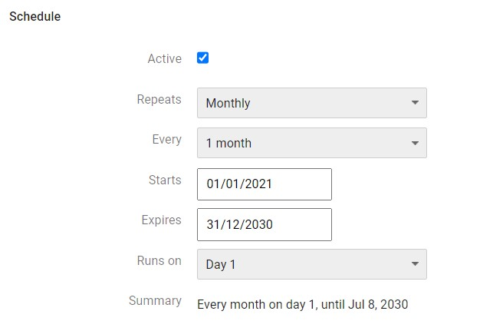

CM360 reporting

Report 1: DCM month
Export name |  |  | market_agency_ad_server_cm360_month

Historical pull |  |  | 1 January 2022 - 31 December 2023
Please make sure the report is set up with the correct date range.

Scheduled reports |  |  | Full month, scheduled export on 1st of month
Please set the date range to 'previous month' and schedule the exports on a monthly basis every 1st of the month as CSV file (or Excel in case CSV files do not format the data correctly) to the designated email address

Data type | UI columns | Export columns | Definition | Origin
Dimensions | Ad Type | Ad Type | The type of ad, which can include: Standard, Interstitial, Static click tracker, etc. | CM360
 | Advertiser | Advertiser | An organization that creates and distributes a commercial message. In Campaign Manager 360, each campaign is associated with an advertiser. | CM360
 | Placement | Placement | All locations where your ads can appear based on targeting settings. A placement can be a website, webpage, mobile app, video content, or an individual ad unit. | CM360
 | Campaign | Campaign | Associated with an advertiser, a campaign is a basic framework for managing your advertising. | CM360 |  | Reporting dimensions and metrics
 | Campaign ID | Campaign ID | The ID associated with a campaign. | CM360
 | Campaign End Date | Campaign End Date | The end date of a campaign. | CM360
 | Campaign Start Date | Campaign Start Date | The start date of a campaign. | CM360
 | Creative Type | Creative Type | The type of creative that was delivered, such as Display, In-stream video, rich media, and so on. | CM360 |  | Month delivery
 | Month | Month | The month of the year. | CM360
 | Placement Cost Structure | Placement Cost Structure | The pricing model specified for a placement: CPM, vCPM, CPC, CPA, etc. | CM360
 | Placement Total Booked Units | Placement Total Booked Units | The total number of units (impressions, clicks, etc.) booked for a placement. | CM360
 | Placement Total Planned Media Cost (if available within the ad server) | Placement Total Planned Media Cost | The sum of the cost of all pricing flights over the entire lifetime of a placement - can only be included if they are available in the ad server, therefore are not mandatory | CM360
 | Platform Type | Platform Type | The platform to which ads were delivered, or where conversions took place (desktop, tablet, smartphone, connected TV, or set top box). | CM360
 | Site (CM360) | Site (CM360) | A representation in your Campaign Manager 360 account of a website, part of a website, or group of websites from which an advertiser or agency has purchased ad space. Each Campaign Manager 360 site is associated with a site in Site Directory. | CM360
Metrics | DV360 Cost (Account Currency) | DV360 Cost (Account Currency) | DV360 cost is a composite value that represents the amount of money spent to purchase impressions from exchanges, plus any additional markups from Display & Video 360, partners, or third parties, as well as various other costs. | CM360
 | Impressions | Impressions | The number of times that a user’s client (browser or mobile device) sent a ping to our ad server that creative content was requested and has started to download during the specified date range. | CM360
 | Clicks | Clicks | The number of times that users clicked on a creative during the specified date range. A click is recorded even if the user does not actually reach the landing page. | CM360
 | Active View: Impressions Audible and Visible at Completion | Active View: Impressions Audible and Visible at Completion | The number of measurable impressions that were played to video completion, and also audible and visible at the time of completion. Audible means the video's audio volume was greater than 0%. Visible means at least 50% of the ad's pixels were on screen. | CM360
 | Active View: % Audible and Visible at Start | Active View: % Audible and Visible at Start | The percentage of measurable impressions that were considered audible and visible at the start of the video. | CM360
 | Active View: Measurable Impressions | Active View: Measurable Impressions | The total number of impressions that were measurable with Active View. An ad is measurable when the Active View tag is able to capture viewability data about the impression and communicate that data to the Google Marketing Platform servers. | CM360
 | Active View: Viewable Impressions | Active View: Viewable Impressions | The number of impressions on the site that were viewable out of all measurable impressions. | CM360
 | Video Plays | Video Plays | The number of served video impressions, counted when the video clip was played or started by the user. | CM360
 | Video Completions | Video Completions | The number of impressions for which an ad clip played to completion. | CM360
 | Booked Impressions | Booked Impressions | The number of impressions booked for each placement in the report (known as "booked impression units"), adjusted for the date range of the report. | CM360
 | TrueView Views | TrueView Views | The number of times your ad has been viewed. TrueView: Views accounts for co-viewing, when multiple people watch ads together on connected TV devices. | CM360

DSP - DV360
Reporting requirements |  |  |  |  | Screenshots & Help documentation: example

Please follow the below instructions to provide the exports, directly from the platform as CSV file (or Excel in case CSV files do not format the data correctly), as listed below.

 |  |  |  |  |  |  | Report builder and date range setting

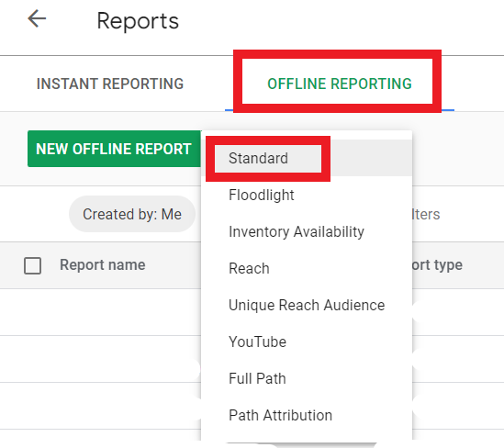
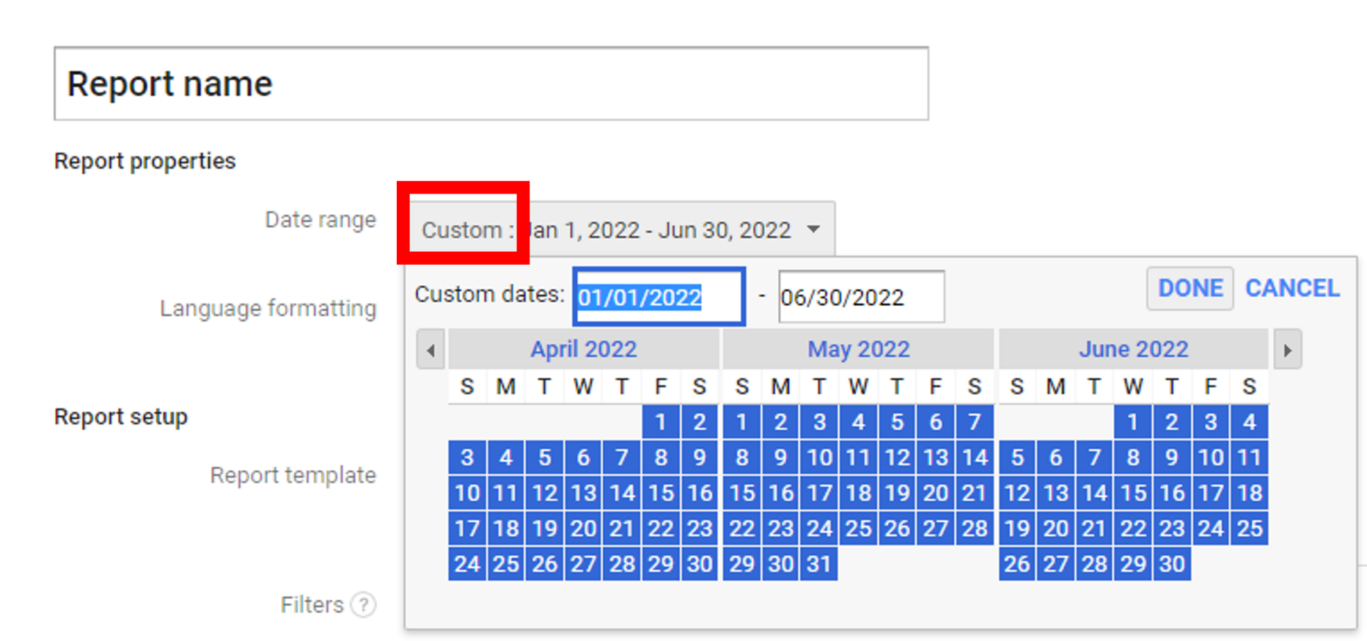
DV360 - DSP reporting (3 report types)

Report 1: Campaign delivery
Export name |  |  | market_agency_dsp_dv360_campaign

Historical pull |  |  | 1 January 2022 - 31 December 2023
Please make sure the report is set up with the correct date range.

Scheduled reports |  |  | Full month, scheduled export on 1st of month
Please set the date range to 'previous month' and schedule the exports on a monthly basis every 1st of the month as CSV file (or Excel in case CSV files do not format the data correctly) to the designated email address

Data type | UI columns | Export columns | Definition | Origin
Dimensions | Month | Month | The month dimension will break down the reporting per month; it sets the time interval. | DV360
 | Advertiser | Advertiser | The name of an advertiser. | DV360
 | Creative Type | Creative Type | The type of creative that was delivered, such as Display, In-stream video, rich media, and so on. | DV360
 | Country | Country | Names of countries. Use this dimension to identify geographic locations that perform well and perform poorly. | DV360
 | Advertiser Currency (automatically selected and included) | Advertiser Currency | The currency set for the given advertiser. | DV360
 | Campaign | Campaign | Associated with an advertiser, a campaign is a basic framework for managing your advertising. | DV360
 | Campaign ID | Campaign ID | The ID associated with a campaign. | DV360
 | Insertion Order | Insertion Order | The name of an insertion order. Insertion order contains a set of line items that are related to the same advertising campaign. | DV360 |  | Reporting dimensions and metrics: Campaign
 | Line Item | Line Item | The name of a line item. Line items bid on impressions and serve creatives to inventory sources. | DV360
 | Ad Type | Ad Type | The type of ad. For example, standard, in-stream video, etc. | DV360
 | Position in content | Position in content | Identifies where an ad was located in relation to other content. Values include in-article, in-banner, in-feed, interstitial, unknown, pre-roll, mid-roll, and post-roll. | DV360
 | Billable Outcome | Billable Outcome | The billable outcome of your campaign. | DV360
 | Insertion Order Goal Type | Current Insertion Order Goal Type | The goal type chosen for the insertion order. | DV360
 | Device Type | Device Type | The type of device, such as "Desktop", “Connected TV”,"Smartphone", and "Tablet". | DV360
Metrics | Impressions | Impressions | The number of times that a user’s client (browser or mobile device) sent a ping to our ad server that creative content was requested and has started to download during the specified date range. | DV360
 | Active View: Measurable Impressions | Active View: Measurable Impressions | The total number of impressions that were measurable with Active View. An ad is measurable when the Active View tag is able to capture viewability data about the impression and communicate that data to the Google Marketing Platform servers. | DV360
 | Active View: Viewable Impressions | Active View: Viewable Impressions | The number of impressions on the site that were viewable out of all measurable impressions. | DV360
 | Clicks | Clicks | The number of times a person has clicked on an ad. | DV360
 | Starts (Video) | Starts (Video) | The number of times a video has been played. This is logged once per view, such that if a person stops playing video and then restarts it, the restart isn't counted. | DV360
 | First-Quartile Views (Video) | First-Quartile Views (Video) | The number of times a video has been played to 25% of its entire length. | DV360 |  | Reporting dimensions and metrics: Domain
 | Midpoint Views (Video) | Midpoint Views (Video) | The number of times a video has been played to 50% of its entire length. | DV360
 | Third-Quartile Views (Video) | Third-Quartile Views (Video) | The number of times a video has been played to 75% of its entire length. | DV360
 | Complete Views (Video) | Complete Views (Video) | The number of times a video has been played to its end. | DV360
 | Active View: % Audible and Visible at Start | Active View: % Audible and Visible at Start | The percentage of measurable impressions that were considered audible and visible at the start of the video. | DV360
 | Active View: % Audible and Visible at Midpoint | Active View: % Audible and Visible at Midpoint | The percentage of impressions that were played to, and considered audible and visible at, the midpoint of the video out of all impressions that reached the midpoint. | DV360
 | Active View: Impressions Audible and Visible at Completion | Active View: Impressions Audible and Visible at Completion | The number of measurable impressions that were played to video completion, and also audible and visible at the time of completion. Audible means the video's audio volume was greater than 0%. Visible means at least 50% of the ad's pixels were on screen. | DV360
 | Revenue (Advertiser Currency) | Revenue (Adv Currency) | Revenue refers to the amount of money spent to purchase impressions and deliver ads through Display & Video 360. It is displayed in the advertiser's currency. Revenue is calculated based on the revenue model set for line items. | DV360
 | Media Cost (Advertiser Currency) | Media Cost (Advertiser Currency) | Media cost is the raw cost for impressions purchased from an exchange. Media cost is displayed in the advertiser's currency. | DV360
 | Media Fee 1 (Advertiser Currency) | Media Fee 1 (Adv Currency) | Media Fee 1 % × Media Cost (displayed in advertiser currency). | DV360
 | Data Fees (Advertiser Currency) | Data Fees (Adv Currency) | The fees for using third-party audience segment data, based on the third-party audience lists targeted by your line items (displayed in advertiser currency). | DV360
 |  |  |  |  |  | Reporting dimensions and metrics: Hour of Day

Report 2: Domain delivery
DV360 domain files can be very big in size, please make sure they do not exceed 1 GB - we suggest splitting them per month/ week if that is the case

Export name |  |  | market_agency_dsp_dv360_domain

Historical pull |  |  | 1 January 2022 - 31 December 2023
Please make sure the report is set up with the correct date range.

Scheduled reports |  |  | Full month, scheduled export on 1st of month
Please set the date range to 'previous month' and schedule the exports on a monthly basis every 1st of the month as CSV file (or Excel in case CSV files do not format the data correctly) to the designated email address

Data type | UI columns | Export columns | Definition | Origin
Dimensions | Month | Month | The month dimension will break down the reporting per month; it sets the time interval. | DV360
 | Advertiser | Advertiser | The name of an advertiser. | DV360
 | Creative Type | Creative Type | The type of creative that was delivered, such as Display, In-stream video, rich media, and so on. | DV360
 | Ad Type | Ad Type | The type of ad. For example, standard, in-stream video, etc. | DV360
 | Campaign | Campaign | Associated with an advertiser, a campaign is a basic framework for managing your advertising. | DV360
 | Campaign ID | Campaign ID | The ID associated with a campaign. | DV360
 | Advertiser Currency (automatically selected and included) | Advertiser Currency | The currency set for the given advertiser. | DV360 |  |  | Schedule the report monthly and schedule it to the indicated client address
 | Exchange | Exchange | The exchange through which the ad is served. | DV360
 | Inventory Source Type | Inventory Source Type | The source of the inventory. For example: public or private. | DV360
 | Inventory Delivery Method | Inventory Delivery Method | The inventory delivery method. For example: programmatic, tag, etc. | DV360
 | Inventory Source | Inventory Source | The name of the deal that supplies buyable impressions to your line items. | DV360
 | Billable Outcome | Billable Outcome | The billable outcome of your campaign. | DV360
 | Insertion Order Goal Type | Current Insertion Order Goal Type | The goal type chosen for the insertion order. | DV360
 | Device Type | Device Type | The type of device, such as "Desktop", “Connected TV”,"Smartphone", and "Tablet". | DV360
 | App/URL | App/URL | The name of a site, or mobile app. | DV360
Metrics | Impressions | Impressions | The number of times that a user’s client (browser or mobile device) sent a ping to our ad server that creative content was requested and has started to download during the specified date range. | DV360
 | Active View: Measurable Impressions | Active View: Measurable Impressions | The total number of impressions that were measurable with Active View. An ad is measurable when the Active View tag is able to capture viewability data about the impression and communicate that data to the Google Marketing Platform servers. | DV360
 | Active View: Viewable Impressions | Active View: Viewable Impressions | The number of impressions on the site that were viewable out of all measurable impressions. | DV360
 | Clicks | Clicks | The number of times a person has clicked on an ad. | DV360
 | Starts (Video) | Starts (Video) | The number of times a video has been played. This is logged once per view, such that if a person stops playing video and then restarts it, the restart isn't counted. | DV360
 | First-Quartile Views (Video) | First-Quartile Views (Video) | The number of times a video has been played to 25% of its entire length. | DV360
 | Midpoint Views (Video) | Midpoint Views (Video) | The number of times a video has been played to 50% of its entire length. | DV360
 | Third-Quartile Views (Video) | Third-Quartile Views (Video) | The number of times a video has been played to 75% of its entire length. | DV360
 | Complete Views (Video) | Complete Views (Video) | The number of times a video has been played to its end. | DV360
 | Active View: % Audible and Visible at Start | Active View: % Audible and Visible at Start | The percentage of measurable impressions that were considered audible and visible at the start of the video. | DV360
 | Active View: % Audible and Visible at Midpoint | Active View: % Audible and Visible at Midpoint | The percentage of impressions that were played to, and considered audible and visible at, the midpoint of the video out of all impressions that reached the midpoint. | DV360
 | Active View: Impressions Audible and Visible at Completion | Active View: Impressions Audible and Visible at Completion | The number of measurable impressions that were played to video completion, and also audible and visible at the time of completion. Audible means the video's audio volume was greater than 0%. Visible means at least 50% of the ad's pixels were on screen. | DV360
 | Revenue (Advertiser Currency) | Revenue (Adv Currency) | Revenue refers to the amount of money spent to purchase impressions and deliver ads through Display & Video 360. It is displayed in the advertiser's currency. Revenue is calculated based on the revenue model set for line items. | DV360
 | Media Cost (Advertiser Currency) | Media Cost (Advertiser Currency) | Media cost is the raw cost for impressions purchased from an exchange. Media cost is displayed in the advertiser's currency. | DV360

Report 3: Hour of day

Export name |  |  | market_agency_dsp_dv360_hourofday

Historical pull |  |  | 1 January 2022 - 31 December 2023
Please make sure the report is set up with the correct date range.

Scheduled reports |  |  | Full month, scheduled export on 1st of month
Please set the date range to 'previous month' and schedule the exports on a monthly basis every 1st of the month as CSV file (or Excel in case CSV files do not format the data correctly) to the designated email address

Data type | UI columns | Export columns | Definition | Origin
Dimensions | Month | Month | The month dimension will break down the reporting per month; it sets the time interval. | DV360
 | Advertiser | Advertiser | The name of an advertiser. | DV360
 | Campaign | Campaign | Associated with an advertiser, a campaign is a basic framework for managing your advertising. | DV360
 | Campaign ID | Campaign ID | The ID associated with a campaign. | DV360
 | Advertiser Currency (automatically selected and included) | Advertiser Currency | The currency set for the given advertiser. | DV360
 | Advertiser Time Zone | Advertiser Time Zone | The time zone of your advertiser affects the start/end dates for line items and insertion orders, and the time windows used for counting impressions, clicks, and conversions. | DV360
 | Creative Type | Creative Type | The type of creative that was delivered, such as Display, In-stream video, rich media, and so on. | DV360
 | Day of Week | Day of Week | Monday through Sunday. | DV360
 | Time of Day | Time of Day | Each hour of the day, represented by 1 to 24. This time is based on Display & Video 360 advertiser settings. | DV360
Metrics | Impressions | Impressions | The number of times that a user’s client (browser or mobile device) sent a ping to our ad server that creative content was requested and has started to download during the specified date range. | DV360
 | Active View: Measurable Impressions | Active View: Measurable Impressions | The total number of impressions that were measurable with Active View. An ad is measurable when the Active View tag is able to capture viewability data about the impression and communicate that data to the Google Marketing Platform servers. | DV360
 | Active View: Viewable Impressions | Active View: Viewable Impressions | The number of impressions on the site that were viewable out of all measurable impressions. | DV360
 | Clicks | Clicks | The number of times a person has clicked on an ad. | DV360
 | Starts (Video) | Starts (Video) | The number of times a video has been played. This is logged once per view, such that if a person stops playing video and then restarts it, the restart isn't counted. | DV360
 | Complete Views (Video) | Complete Views (Video) | The number of times a video has been played to its end. | DV360
 | Revenue (Advertiser Currency) | Revenue (Adv Currency) | Revenue refers to the amount of money spent to purchase impressions and deliver ads through Display & Video 360. It is displayed in the advertiser's currency. Revenue is calculated based on the revenue model set for line items. | DV360
 | Media Cost (Advertiser Currency) | Media Cost (Advertiser Currency) | Media cost is the raw cost for impressions purchased from an exchange. Media cost is displayed in the advertiser's currency. | DV360

DSP - Amazon
Reporting requirements |  |  |  |  |  | Screenshots & Help documentation: example

Please follow the below instructions to provide the exports, directly from the platform as CSV file (or Excel in case CSV files do not format the data correctly), as listed below.

 |  |  |  |  |  |  | Select "Report Center" in order to access the reporting section
Amazon reporting (2 report types)

Report 1: Campaign delivery
(Please select Campaign in Dimension dropdown box to create the report)
Export name |  |  |  | market_agency_dsp_amazon_campaign

Historical pull |  |  |  | 1 January 2022 - 31 December 2023 |  |  | Select "New custom report" in order to create a report
Please make sure the report is set up with the correct date range.

Scheduled reports |  |  |  | Full month, scheduled export on 1st of month
Please set the date range to 'previous month' and schedule the exports on a monthly basis every 1st of the month as CSV file (or Excel in case CSV files do not format the data correctly) to the designated email address

Data type | Section | UI columns | Export columns | Definition | Origin
Dimensions | TIME UNIT | Monthly | Month | Breaks down reporting per month. | Ebiquity
 | BREAKDOWN | Advertiser | Advertiser | Breaks down reporting per advertiser | Ebiquity
 |  | Automatically exported by the platform | Advertiser ID | ID of Advertiser | Ebiquity
 |  | Order | Order | Breaks down reporting per insertion order | Ebiquity
 |  | Automatically exported by the platform | Order ID | ID of Order | Ebiquity
 |  | Line item | Line item | Breaks down reporting per line item | Ebiquity |  | Select all the necessary dimensions and metrics (columns)
 |  | Automatically exported by the platform | Line item ID | ID of Line item | Ebiquity
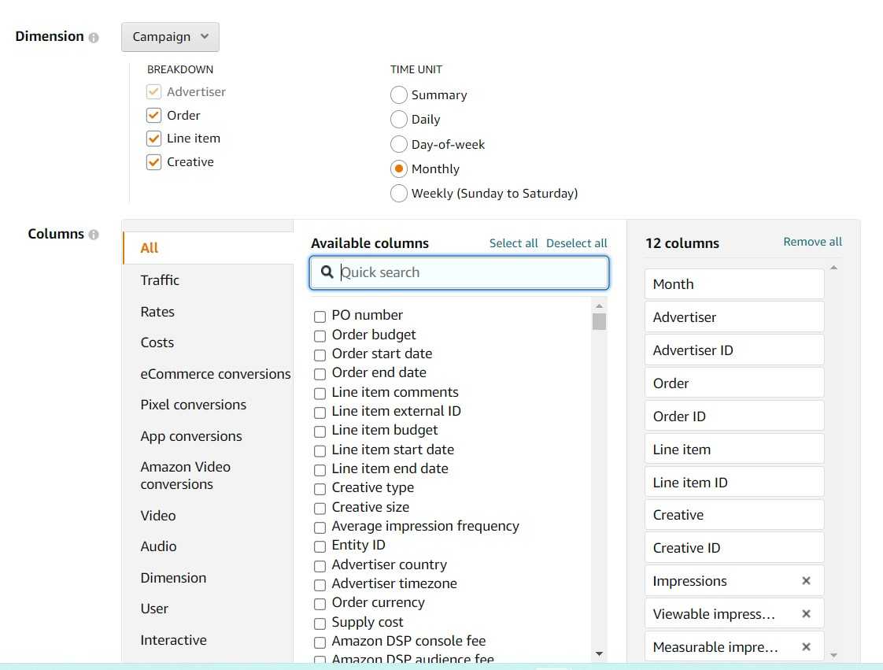
 |  | Creative | Creative | Breaks down reporting per creative | Ebiquity
 |  | Automatically exported by the platform | Creative ID | ID of Creative | Ebiquity
Metrics | Columns - Dimension | Creative type | Creative type | The type of creative (for example, static image, third party, or video) | Amazon
 | Columns - Costs | Supply cost | Supply cost | The total amount of money spent on media supply. | Amazon
 |  | Amazon DSP console fee | Amazon DSP console fee | The technology fee applied to the media supply costs. | Amazon
 |  | Amazon DSP audience fee | Amazon DSP audience fee | CPM charge applied to impressions that leverage Amazon's behavioral targeting. | Amazon
 |  | Total cost | Total cost | The total amount of money spent on running the campaign not including 3P fees paid by the agency. | Amazon
 | Columns - Traffic | Impressions | Impressions | The number of times the ad was displayed, excluding general invalid traffic or more. A traffic quality filter removed the potentially fraudulent, non-human, and other illegitimate impressions. | Amazon
 |  | Viewable impressions | Viewable impressions | Based on MRC standard, the number of times an ad was viewed by customers. An ad is counted as 'viewable' when at least 50% of the ad shows on screen for one second or longer for display ads and two seconds or longer for video ads. | Amazon
 |  | Measurable impressions | Measurable impressions | Number of impressions that were measured for viewability. | Amazon
 |  | Click-throughs | Click-throughs | The number of times the ad was clicked, excluding general invalid traffic or more. A traffic quality filter removed potentially fraudulent, non-human, and other illegitimate clicks. | Amazon
 | Columns - Video | Video start | Video start | The number of times a video ad was started. | Amazon
 |  | Video first quartile | Video first quartile | The number of times at least 25% of a video ad played. If rewind occurred, percent complete was calculated on the total percentage of unduplicated video viewed. | Amazon
 |  | Video midpoint | Video midpoint | The number of times at least 50% of a video ad played. If rewind occurred, percent complete was calculated on the total percentage of unduplicated video viewed. | Amazon
 |  | Video third quartile | Video third quartile | The number of times at least 75% of a video ad played. If rewind occurred, percent complete was calculated on the total percentage of unduplicated video viewed. | Amazon
 |  | Video complete | Video complete | The number of times a video ad played to completion. If rewind occurred, completion was calculated on the total percentage of unduplicated video viewed. | Amazon |  | Setting the date range

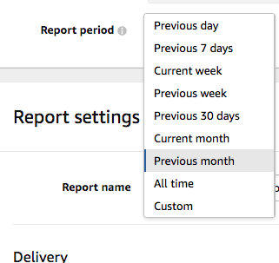
Report 2: Domain delivery
Please select Inventory in Dimension dropdown box to create the report (note: inventory data is only available for the previous 13 months from the time the report is generated)
Export name |  |  |  | market_agency_dsp_amazon_domain

Historical pull |  |  |  | 1 January 2022 - 31 December 2023
Please make sure the report is set up with the correct date range.

Scheduled reports |  |  |  | Full month, scheduled export on 1st of month
Please set the date range to 'previous month' and schedule the exports on a monthly basis every 1st of the month as CSV file (or Excel in case CSV files do not format the data correctly) to the designated email address |  |  |  |  |  |  | Scheduling an Amazon report -

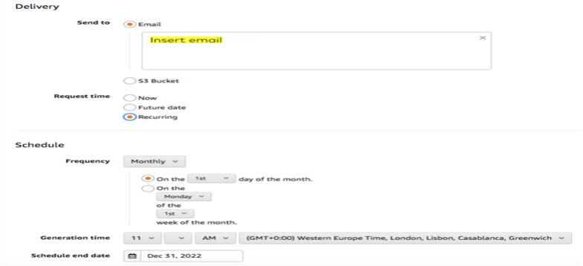
Data type | Section | UI columns | Export columns | Definition | Origin |  | Important to note Amazon reports EXPIRE 7 days after the creation date, so make sure to download them locally ASAP
Dimensions | TIME UNIT | Monthly | Month | Breaks down reporting per month. | Ebiquity
 | BREAKDOWN | Advertiser | Advertiser | Breaks down reporting per advertiser | Ebiquity
 |  | Automatically exported by the platform | Advertiser ID | ID of Advertiser | Ebiquity
 |  | Order | Order | Breaks down reporting per insertion order | Ebiquity
 |  | Automatically exported by the platform | Order ID | ID of Order | Ebiquity
 |  | Site | Site | Breaks down reporting per site | Ebiquity
 |  | Deal | Deal | Breaks down reporting per deal source | Ebiquity
 |  | Supply | Supply Source | Breaks down reporting per supply source | Ebiquity
 |  | Creative | Creative | Breaks down creative metrics | Ebiquity
 |  | Automatically exported by the platform | Creative ID | ID of Creative | Amazon
Metrics | Columns - Dimension | Creative type | Creative type | The type of creative (for example, static image, third party, or video) | Amazon
 |  | Deal type | Deal type | The type of a Deal. | Amazon
 | Columns - Costs | Supply cost | Supply cost | The total amount of money spent on media supply. | Amazon
 |  | Total cost | Total cost | The total amount of money spent on running the campaign not including 3P fees paid by the agency. | Amazon
 | Columns - Traffic | Impressions | Impressions | The number of times the ad was displayed, excluding general invalid traffic or more. A traffic quality filter removed the potentially fraudulent, non-human, and other illegitimate impressions. | Amazon
 |  | Viewable impressions | Viewable impressions | Based on MRC standard, the number of times an ad was viewed by customers. An ad is counted as 'viewable' when at least 50% of the ad shows on screen for one second or longer for display ads and two seconds or longer for video ads. | Amazon
 |  | Measurable impressions | Measurable impressions | Number of impressions that were measured for viewability. | Amazon
 |  | Click-throughs | Click-throughs | The number of times the ad was clicked, excluding general invalid traffic or more. A traffic quality filter removed potentially fraudulent, non-human, and other illegitimate clicks. | Amazon
 | Columns - Video | Video start | Video start | The number of times a video ad was started. | Amazon
 |  | Video first quartile | Video first quartile | The number of times at least 25% of a video ad played. If rewind occurred, percent complete was calculated on the total percentage of unduplicated video viewed. | Amazon
 |  | Video midpoint | Video midpoint | The number of times at least 50% of a video ad played. If rewind occurred, percent complete was calculated on the total percentage of unduplicated video viewed. | Amazon
 |  | Video third quartile | Video third quartile | The number of times at least 75% of a video ad played. If rewind occurred, percent complete was calculated on the total percentage of unduplicated video viewed. | Amazon
 |  | Video complete | Video complete | The number of times a video ad played to completion. If rewind occurred, completion was calculated on the total percentage of unduplicated video viewed. | Amazon

Display & Video - GoogleAds
Reporting requirements |  |  |  |  |  | Screenshots & Help documentation: example

Please follow the below instructions to provide the exports, directly from the platform as CSV file (or Excel in case CSV files do not format the data correctly), as listed below.

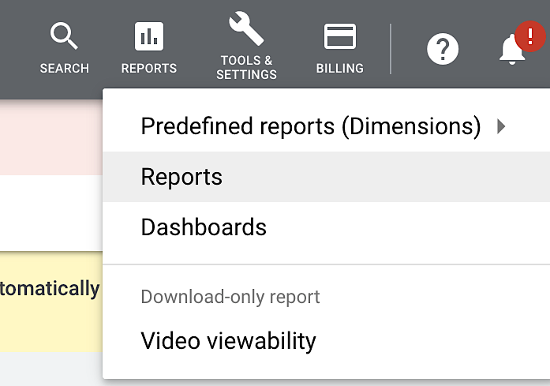
Google Ads - Display and Video reporting (2 report types)

Please pull reports from the “Reports” section on the top right corner of the Google Ads interface in-between “Search” and “Tools & Settings.”

Report 1: GDN Campaign

Export name |  |  |  | market_agency_gdn_googleads_campaign

Historical pull |  |  |  | 1 January 2022 - 31 December 2023
Please make sure the report is set up with the correct date range.

Scheduled reports |  |  |  | Full month, scheduled export on 1st of month
Please set the date range to 'previous month' and schedule the exports on a monthly basis every 1st of the month as CSV file (or Excel in case CSV files do not format the data correctly) to the designated email address

Data type | Section | UI columns | Export columns | Definition | Origin
Row | Time | Year | Year | Displays the data in the report per calendar year. | Google | Reporting dimensions and metrics
 |  | Month | Month | The month dimension will break down the reporting per month; it sets the time interval | Google
 |  | Week | Week | A period of 7 days. Week dimension will break down the reporting per week | Google |  | GDN Campaign | GDN Hour of day
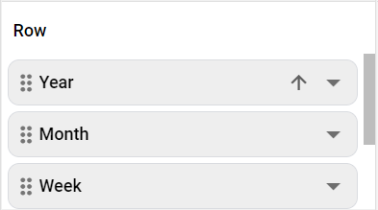
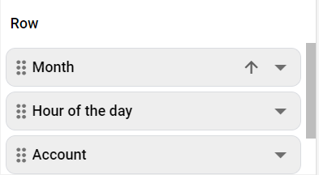
 |  | Day of the week | Day of the week | Calendar day of the week (e.g., Monday, Tuesday) | Google
 | Level of detail | Account | Account name | The name of the account. When data is pulled across multiple accounts, this dimension indicates to which account the reported rows belong to. | Google
 |  | Campaign | Campaign | A set of ad groups (ads, keywords, and bids) that share a budget, location targeting, and other settings. | Google
 |  | Ad group | Ad group | The ad group contains one or more ads that share similar targets. | Google
 | Attributes | Automatically exported by the platform | Customer ID | ID of Customer account (NOTE: this column does not always export, it depends on the account set-up) | Google
 |  | Campaign ID | Campaign ID | The ID associated with a campaign. | Google
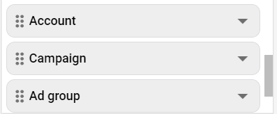
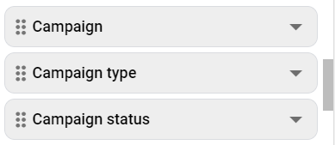
 |  | Campaign type | Campaign type | The type of the campaign. E.g. Search, Display or Shopping | Google
 |  | Campaign bid strategy type | Campaign bid strategy type | The type of the automated bidding strategy. E.g. Maximize clicks; Target cost-per-acquisition (CPA); Enhanced cost-per-click (ECPC), etc. | Google
 |  | Ad group ID | Ad group ID | The ID associated with ad group. | Google
 |  | Ad group type | Ad group type | Ad groups classification into different product or service types offered. | Google
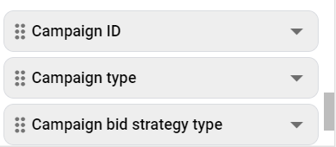
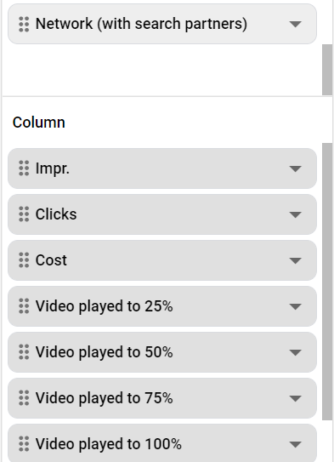
 |  | Ad type | Ad type | Shows the performance of different ad types (such as video, rich media, etc.) | Google
 | Targeting | Device | Device | Allows publishers to see performance by mobile user device type, e.g., “Android Tablet (Google)” | Google
 |  | Network (with search partners) | Network (with search partners) | Indicates which type of network is being reported. | Google
 | N/A (automatically exported) | Automatically exported by the platform | Currency code | Currency of the account | Google
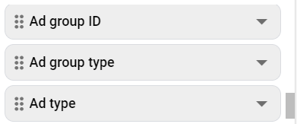
Column | Performance | Impr. | Impr. | How often your ad is shown. An impression is counted each time your ad is shown on a search result page or other site on the Google Network. | Google
 |  | Clicks | Clicks | When someone clicks your ad, like on the blue headline or phone number of a text ad, Google Ads counts that as a click. | Google
 |  | Cost | Cost | The sum of your advertising expenses recorded by the platform. | Google
 |  | Video played to 25% | Video played to 25% | Shows how often a video is played to 25% of its length. | Google
 |  | Video played to 50% | Video played to 50% | Shows how often a video is played until the middle of its view length. | Google
 |  | Video played to 75% | Video played to 75% | Shows how often a video is played to 75% of its length. | Google
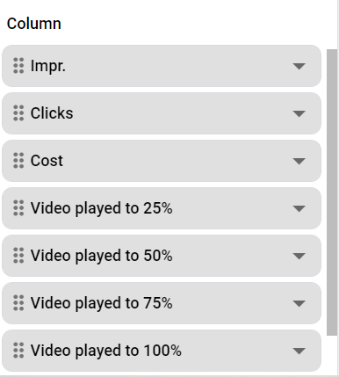
 |  | Video played to 100% | Video played to 100% | Shows how often a video is played to its completion. | Google
 |  | Views | Views | Show you the number of times people watched or engaged with your video ad. | Google
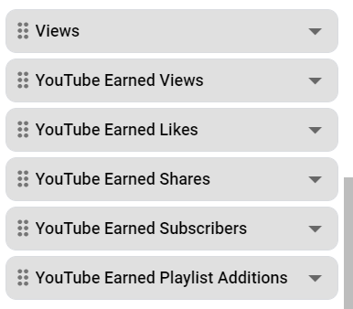
 |  | YouTube Earned Views | YouTube Earned Views | Increment if a YouTube viewer watches subsequent videos on your YouTube channel or Watch pages. This type of earned action increments whether or not someone chooses to watch the same video again or any other video on your channel. | Google
 |  | YouTube Earned Likes | YouTube Earned Likes | Happen when a viewer likes the video. | Google
 |  | YouTube Earned Shares | YouTube Earned Shares | Happen when a viewer shares the video. | Google
 |  | YouTube Earned Subscribers | YouTube Earned Subscribers | Happen when a viewer subscribes to your channel. | Google
 |  | YouTube Earned Playlist Additions | YouTube Earned Playlist Additions | Happen when a viewer adds the video to a playlist. | Google

Report 2: GDN hourofday

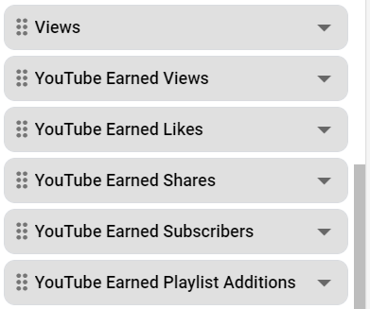
Export name |  |  |  | market_agency_gdn_googleads_hourofday

Historical pull |  |  |  | 1 January 2022 - 31 December 2023
Please make sure the report is set up with the correct date range.

Scheduled reports |  |  |  | Full month, scheduled export on 1st of month
Please set the date range to 'previous month' and schedule the exports on a monthly basis every 1st of the month as CSV file (or Excel in case CSV files do not format the data correctly) to the designated email address

Data type | Section | UI columns | Export columns | Definition | Origin
Row | Time | Month | Month | The month dimension will break down the reporting per month; it sets the time interval | Google
 |  | Hour of the day | Hour of the day | Numeric hour of the day (0-23) according to the network time zone. | Google
 | Level of detail | Account | Account name | The name of the account. When data is pulled across multiple accounts, this dimension indicates to which account the reported rows belong to. | Google
 |  | Campaign | Campaign | A set of ad groups (ads, keywords, and bids) that share a budget, location targeting, and other settings. | Google
 |  | Campaign ID | Campaign ID | The ID associated with a campaign. | Google
 | Attributes | Automatically exported by the platform | Customer ID | ID of Customer account (NOTE: this column does not always export, it depends on the account set-up) | Google
 |  | Campaign type | Campaign type | The type of your campaign. E.g. Search, Display or Shopping | Google
 |  | Campaign status | Campaign status | A status for your ad campaign that describes whether or not its ads can run at the moment. | Google
 | Targeting | Network (with search partners) | Network (with search partners) | Displays the name of the network partner. If the network partner name for video ad requests displays as "non-represented", This is likely because the description_url parameter in the ad tag was either not set, invalid or set to a domain value that's not classified. | Google
 | N/A (automatically exported) | Automatically exported by the platform | Currency code | Currency of the account | Google
Column | Performance | Impr. | Impr. | How often your ad is shown. An impression is counted each time your ad is shown on a search result page or other site on the Google Network. | Google
 |  | Clicks | Clicks | When someone clicks your ad, like on the blue headline or phone number of a text ad, Google Ads counts that as a click. | Google
 |  | Cost | Cost | The sum of your advertising expenses recorded by the platform. | Google | Scheduling Google Ads reports
 |  | Video played to 25% | Video played to 25% | Shows how often a video is played to 25% of its length. | Google | Make sure that your time range is set to "last month"
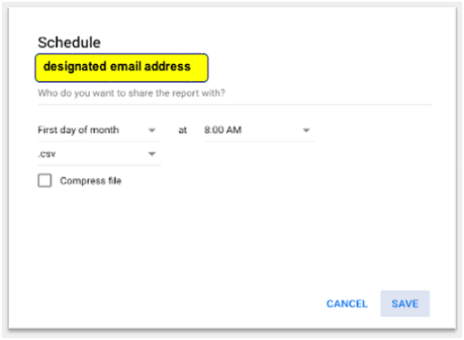
 |  | Video played to 50% | Video played to 50% | Shows how often a video is played until the middle of its view length. | Google
 |  | Video played to 75% | Video played to 75% | Shows how often a video is played to 75% of its length. | Google
 |  | Video played to 100% | Video played to 100% | Shows how often a video is played to its completion. | Google
 |  | Views | Views | Show you the number of times people watched or engaged with your video ad. | Google
 |  | YouTube Earned Views | YouTube Earned Views | Increment if a YouTube viewer watches subsequent videos on your YouTube channel or Watch pages. This type of earned action increments whether or not someone chooses to watch the same video again or any other video on your channel. | Google
 |  | YouTube Earned Likes | YouTube Earned Likes | Happen when a viewer likes the video. | Google
 |  | YouTube Earned Shares | YouTube Earned Shares | Happen when a viewer shares the video. | Google
 |  | YouTube Earned Subscribers | YouTube Earned Subscribers | Happen when a viewer subscribes to your channel. | Google
 |  | YouTube Earned Playlist Additions | YouTube Earned Playlist Additions | Happen when a viewer adds the video to a playlist. | Google

Social - Meta
Reporting requirements |  |  |  |  |  | Screenshots & Help documentation: example

Please follow the below instructions to provide the exports, directly from the platform as CSV file (or Excel in case CSV files do not format the data correctly), as listed below.

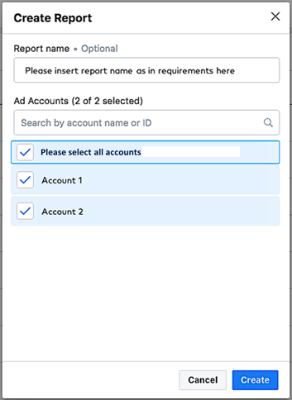
 |  |  |  |  |  |  | Creating the reports

Meta reporting (2 report types) |  |  |  |  |  |  | Please select each applicable account in a separate export for the 'Weekly delivery' report; Please select all applicable accounts for the 'Hour of day' report |  | Choose a Pivot table layout for your report
*Meta exports cannot be scheduled - please save the preset to Last month and pull them each month, then forward them to the designed email address
**For the 'Weekly delivery' report type: Please select one account per export for each report type, per our data requirements below - e.g. if 5 accounts are activated, please create 5 exports per report type
Please select one account per report type 'Weekly delivery'
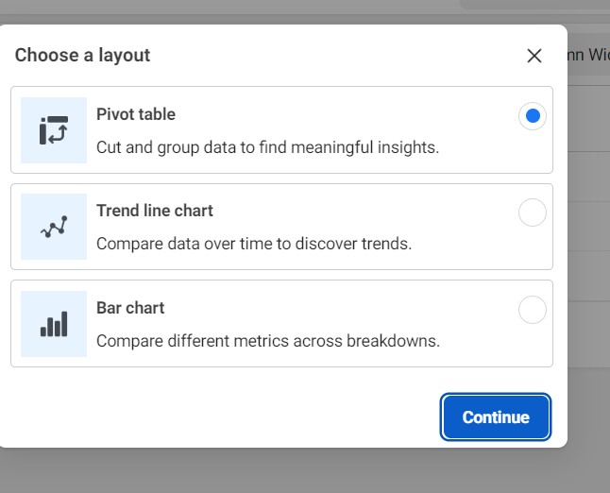

Report 1: Weekly delivery (please export from section 'Ads reporting', and please select one account per export)

Export name |  |  |  | market_agency_paid_social_meta_week

Historical pull |  |  |  | 1 January 2022 - 31 December 2023
Please make sure the report is set up with the correct date range.

Scheduled reports |  |  |  | Full month, scheduled export on 1st of month
Meta exports cannot be scheduled - please save the preset to Last month and pull them each month as Excel, then forward them to the designed email address

Data type | Section | UI Column | Export Column | Definition | Origin
Dimensions | Breakdowns | Campaign name | Campaign name | This shows the breakdown of results by campaign name. | Meta
 |  | Campaign ID | Campaign ID | The ID of the campaigns | Meta
 |  | Ad Set Name | Ad Set Name | This shows the breakdown of results by ad set name. | Meta
 |  | Ad name | Ad name | This shows the breakdown of results by ad name. | Meta
 |  | Placement | Placement | View your data by the placement in which your ad was shown (e.g. Meta desktop News Feed, Instagram mobile News Feed). These values are estimated. | Meta
 |  | Device platform | Device platform | View your data by placement where your ad was shown and devices people were using when they saw your ads (ex: Meta desktop Feed, Instagram mobile feed). These values are estimated. | Meta
 |  | Impression device | Impression device | View your data by the devices that people were using when they saw your ads. These values are estimated. | Meta
 |  | Platform | Platform | View your data by the platform where your ad was shown (e.g. Meta, Instagram). These values are estimated. | Meta
 |  | Week | Week | View your data by each week when your ads were active. These values are estimated. | Meta
Metrics | Metrics | Account name | Account name | The name of your ad account, which groups your advertising activity. | Meta
 |  | Impressions | Impressions | The number of times that your adverts were on-screen. | Meta
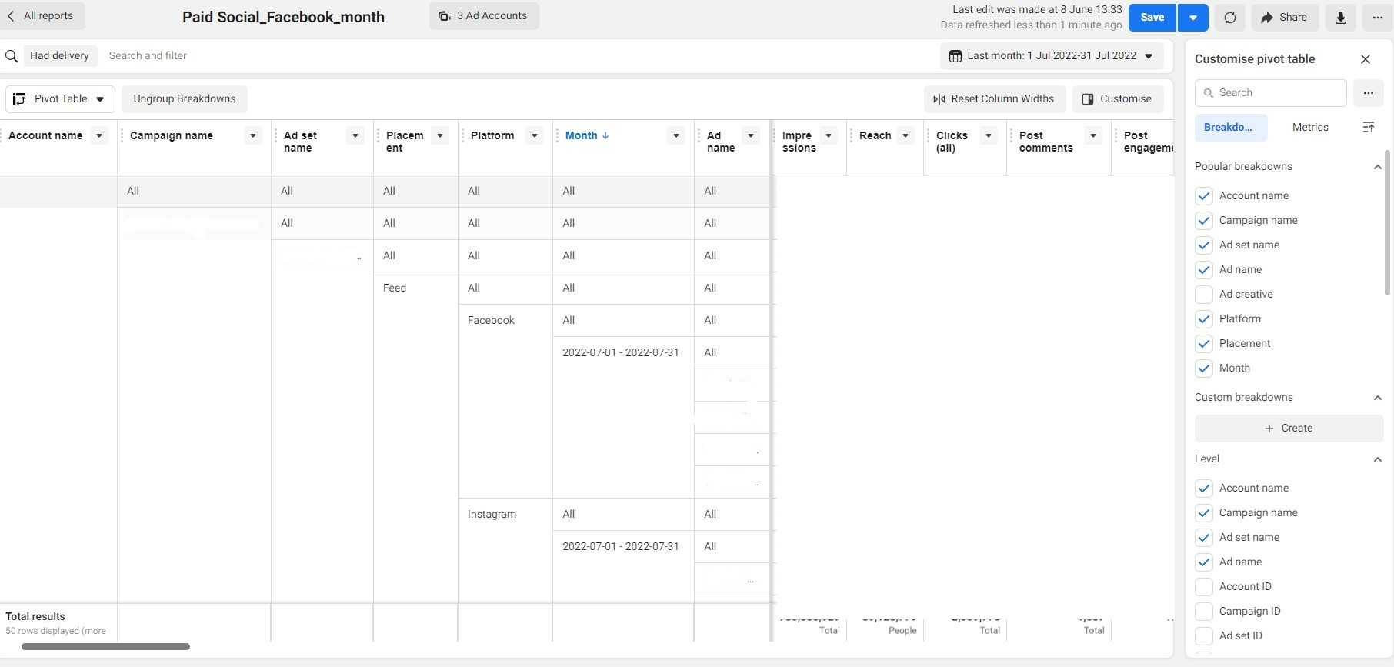
 |  | Attribution setting | Attribution setting | The attribution setting is a finite period of time during which conversions can be credited to your ads and used to inform campaign optimization. | Meta |  |  |  |  | Export the file
 |  | Reach | Reach | The number of people who saw your ads at least once. Reach is different to impressions, which may include multiple views of your ads by the same people. This metric is estimated. | Meta |  | Reporting section: Ads Reporting interface | Choose the necessary date range
 |  | Link clicks | Link clicks | The number of clicks on links within the ad that led to advertiser-specified destinations, on or off Meta. | Meta
 |  | Clicks (all) | Clicks (all) | The number of clicks on your adverts. | Meta
 |  | Objective | Objective | The objective reflecting the goal that you want to achieve with your advertising. It may be different from the selected objective of the campaign in some cases. This column does not apply to ad sets, only campaigns and ads. | Meta
 |  | Post engagement | Post engagement | Post engagement includes all actions that people take involving your ads while they're running. Post engagements can include actions such as reacting to, commenting on or sharing the ad, claiming an offer, viewing a photo or video, or clicking on a link. | Meta
 |  | Post comments | Post comments | The number of comments on your adverts. | Meta
 |  | Post reactions | Post reactions | The number of reactions on your ads. The reactions button on an ad allows people to share different reactions to its content: like, love, care, haha, wow, sad or angry | Meta
 |  | ThruPlays (not always possible due to account set-up) | ThruPlays | ThruPlay is an optimisation and billing option for video ads through the Video Views objective. | Meta
 |  | Frequency | Frequency | The average number of times that each person saw your ad. This metric is estimated. | Meta
 |  | Results | Results | The number of times that your ad achieved an outcome, based on the objective and settings you selected. | Meta
 |  | Automatically exported by the platform | Result type | The type of result | Ebiquity
 |  | 3-second video plays | 3-second video plays | The number of times that your video was played for at least three seconds, or for nearly its total length if it's shorter than three seconds. For each impression of a video, we'll count video views separately and exclude any time spent replaying the video | Meta
 |  | 2-second continuous video plays (single-account reporting only) | 2-second continuous video plays | The number of times that your video was played for two continuous seconds or more. Most 2-second continuous video views will have at least 50% of the video pixels in view. | Meta
 |  | Video plays at 25% | Video plays at 25% | The number of times your video was played at 25% of its length, including plays that skipped to this point | Meta
 |  | Video plays at 50% | Video plays at 50% | The number of times your video was played at 50% of its length, including plays that skipped to this point. | Meta
 |  | Video plays at 75% | Video plays at 75% | The number of times your video was played at 75% of its length, including plays that skipped to this point. | Meta
 |  | Video plays at 95% | Video plays at 95% | The number of times your video was played at 95% of its length, including plays that skipped to this point | Meta
 |  | Video plays at 100% | Video plays at 100% | The number of times your video was played at 100% of its length, including plays that skipped to this point. | Meta
 |  | Buying type | Buying type | The method by which you pay for and target ads in your campaigns: through dynamic auction bidding, fixed-price bidding or reach and frequency buying. This field is currently only visible at the campaign level. This column does not apply to ad sets or ads, only campaigns | Meta
 |  | Amount spent | Amount spent (currency code) | The estimated total amount of money you've spent on your campaign, ad set or ad during its schedule. This metric is estimated. | Meta
 |  | Estimated ad recall lift (people) | Estimated ad recall lift (people) | An estimate of the number of additional people who may remember seeing your ads, if asked, within two days. | Meta
 |  | Bid | Bid | The bid value of your ad set. | Meta
 |  | Automatically exported by the platform | Bid type | The type of bid. | Ebiquity
 |  | Automatically exported by the platform (based on the reporting timeframe selected manually when creating the report) | Reporting starts | Starting reporting date, set up manually in the UI | Ebiquity
 |  |  | Reporting ends | Ending reporting date, set up manually in the UI | Ebiquity

Report 2: Hour of Day (please export from section 'Ads reporting', and please select all accounts in one export)

Export name |  |  |  | market_agency_paid_social_meta_hourofday

Historical pull |  |  |  | 1 January 2022 - 31 December 2023
Please make sure the report is set up with the correct date range.

Scheduled reports |  |  |  | Full month, scheduled export on 1st of month
Meta exports cannot be scheduled - please save the preset to Last month and pull them each month as Excel, then forward them to the designed email address

Data type | Section | UI Column | Export Column | Definition | Origin
Dimensions | Breakdowns | Campaign Name | Campaign Name | This shows the breakdown of results by campaign name. Please note: Please select Campaign name as a Breakdown, not as a Metric | Meta
 |  | Campaign ID | Campaign ID | The ID associated with a campaign. | Meta
 |  | Time of day (ad account time zone) | Time of day (ad account time zone) | View your data based on the time of day in the ad account's time zone. These values are estimated. | Meta
 |  | Month | Month | View your data by each month when your ads were active. These values are estimated. | Meta
Metrics | Metrics | Account name | Account name | The name of your ad account, which groups your advertising activity. | Meta
 |  | Objective | Objective | The objective reflecting the goal that you want to achieve with your advertising. It may be different from the selected objective of the campaign in some cases. | Meta
 |  | Impressions | Impressions | The number of times that your adverts were on-screen. | Meta
 |  | Clicks (all) | Clicks (all) | The number of clicks on your adverts. | Meta
 |  | Link clicks | Link clicks | The number of clicks on links within the ad that led to advertiser-specified destinations, on or off Meta. | Meta
 |  | Post engagement | Post engagement | How post engagement is calculated. Post engagement includes all actions that people take involving your ads while they're running. Post engagements can include actions such as reacting to, commenting on or sharing the ad, claiming an offer, viewing a photo or video, or clicking on a link. | Meta
 |  | Post comments | Post comments | The number of comments on your adverts. | Meta
 |  | Post reactions | Post reactions | The number of reactions on your ads. The reactions button on an ad allows people to share different reactions to its content: like, love, care, haha, wow, sad or angry | Meta
 |  | 3-second video plays | 3-second video plays | The number of times that your video was played for at least three seconds, or for nearly its total length if it's shorter than three seconds. | Meta
 |  | Amount spent | Amount spent (currency code) | The estimated total amount of money you've spent on your campaign, ad set or ad during its schedule. This metric is estimated. | Meta
 |  | Automatically exported by the platform (based on the reporting timeframe selected manually when creating the report) | Reporting starts | Starting reporting date, set up manually in the UI | Ebiquity
 |  |  | Reporting ends | Ending reporting date, set up manually in the UI | Ebiquity

Social - Pinterest
Reporting requirements |  |  |  |  |  | Screenshots & Help documentation: example

Please follow the below instructions to provide the exports, directly from the platform as CSV file (or Excel in case CSV files do not format the data correctly), as listed below. |  |  |  |  |  | In the Custom reports section, please select Create new report
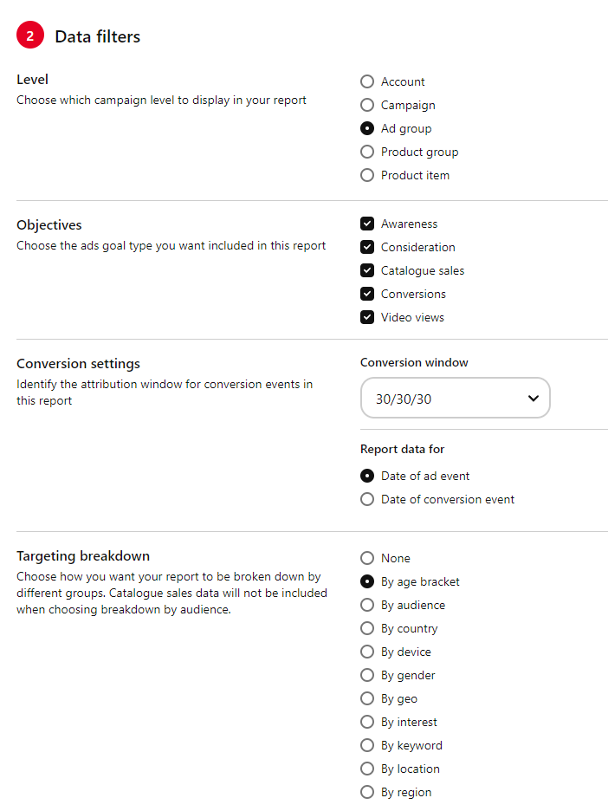
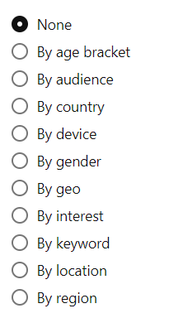

Pinterest reporting (1 report type)
*Please note that the historic exports can span a max of 1 year per pull - please pull the requested reporting over multiple exports as required

Report 1: Monthly delivery

Export name |  |  |  | market_agency_paid_social_pinterest_month

Historical pull |  |  |  | 1 January 2022 - 31 December 2023
Please make sure the report is set up with the correct date range.

Scheduled report |  |  |  | Full month, scheduled export on 1st of month
Please set the date range to 'previous month' and schedule the exports on a monthly basis every 1st of the month as CSV file (or Excel in case CSV files do not format the data correctly) to the designated email address

Data type | Group | UI columns | Export columns | Definition | Origin
Data filters | Level | Automatically exported by the platform | Ad group ID | ID of Ad Group | Ebiquity
 |  | Ad group | Ad group name | Breaks down reporting per ad group names | Ebiquity
 |  | Automatically exported by the platform | Ad group status | Status of Ad Group | Ebiquity
 | Objectives | Awareness | Included in campaign names | This function filters the data, which is captured in the report on the objective that has been set (please select all 5 to include all activity) | Pinterest
 |  | Consideration (formerly traffic)
 |  | Catalogue Sales
 |  | Conversions
 |  | Video views
 | Conversion Settings | Conversion Window: 30/30/30 | Not visible in export | Setting this to 30/30/30 will apply a 30 day attribution window for the conversion events | Pinterest
 |  | Report data for Date of ad event | Not visible in export | Assigns the reported conversion data to the day of the ad event (rather than to the day of the conversion) | Pinterest
 | Targeting Breakdown | None | Not visible in export | Does not break down the data by any targeting groups | Ebiquity

Columns | Details | Campaign entity status | Campaign entity status | Current status of the campaign | Pinterest
 |  | Campaign ID | Campaign ID | ID of the campaign | Pinterest
 |  | Campaign name | Campaign name | Name of the campaign | Pinterest
 |  | Campaign objective | Campaign Objective | The objective of the campaign | Pinterest
 | Overal perfomance | Impressions | Impressions | The number of times your Pins or ads were on screen | Pinterest
 |  | Result | Result | Total number of events you're optimising for based on your objective and settings | Pinterest
 |  | Spend | Spend in account currency | The total amount you’ve spent during the reporting time period | Pinterest
 | Engagement (Total) | Engagements | Engagements | The total number of engagements on your Pins. This includes saves, Pin clicks, outbound clicks, carousel card swipes, secondary creative (collections) clicks and Idea Pin forward/backward swipes. | Pinterest
 |  | Pin clicks | Pin clicks | Total number of times people clicked on your Pin or ad to content on or off of Pinterest | Pinterest
 |  | Saves | Saves | Total number of times your ad was saved (paid and earned) | Pinterest | Please insert the correct time range for the historic pull; as well as the monthly breakdown of data
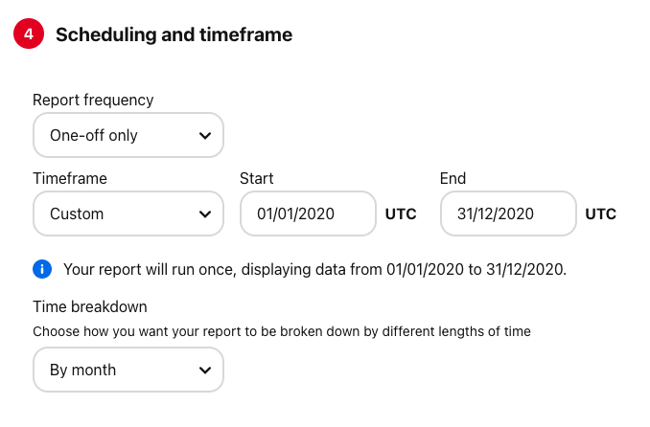
 |  | Conversions | Conversions | Total number of conversions for all event types using the Pinterest Tag integration after an ad interaction | Pinterest
 |  | Video views | Video views | The amount of views for at least 2 seconds with 50% of video in view. | Pinterest
 |  | 3s video views | Total 3-Second Video Views | Total number of times your video ad played continuously for at least 3 seconds while 50% visible (paid and earned) | Pinterest
 |  | Average video play time | Average Watch Time In Seconds | Video play time avereged across all video and image content, including seeks and loops. | Pinterest
 |  | Total video played at 25% | Total video played at 25% | Total number of times your video ad played to 25% of its length, including views that skipped ahead to this point (paid and earned) | Pinterest
 |  | Total video played at 50% | Total video played at 50% | Total number of times your video ad played to 50% of its length, including views that skipped ahead to this point (paid and earned) | Pinterest
 |  | Total video played at 75% | Total video played at 75% | Total number of times your video ad played to 75% of its length, including views that skipped ahead to this point (paid and earned) | Pinterest
 |  | Total video played at 95% | Total video played at 95% | Total number of times your video ad played to 95% of its length, including views that skipped ahead to this point (paid and earned) | Pinterest
 |  | Total video played at 100% | Total video played at 100% | Total number of times your video ad played to 100% of its length, including views that skipped ahead to this point (paid and earned) | Pinterest
 |  | Total video starts | Total video starts | Total number of times your video ad started playing | Pinterest
 | Engagement (Paid) | Paid impressions | Paid impressions | Number of times your ad was on the screen | Pinterest
 |  | Paid engagements | Paid engagements | Paid actions taken as a result of your ads. | Pinterest
 |  | Paid Pin clicks | Paid Pin clicks | Total number of Pin clicks from your ad (Paid) | Pinterest
 |  | Paid saves | Paid saves | Total number of saves for your ad. | Pinterest
 |  | Paid 3s video views | 3-Second Video Views | The number of times your video ad played continuously for 3 seconds while 50% in view (Paid) | Pinterest
 |  | Paid video played at 25% | Paid video played at 25% | Number of times your video ad reached 25% of its length, including views that skipped ahead to this point | Pinterest
 |  | Paid video played at 50% | Paid video played at 50% | Number of times your video ad reached 50% of its length, including views that skipped ahead to this point | Pinterest
 |  | Paid video played at 75% | Paid video played at 75% | Number of times your video ad reached 75% of its length, including views that skipped ahead to this point | Pinterest
 |  | Paid video played at 95% | Paid video played at 95% | Number of times your video ad reached 95% of its length, including views that skipped ahead to this point | Pinterest
 |  | Paid video played at 100% | Paid video played at 100% | Number of times your video ad reached 100% of its length, including views that skipped ahead to this point | Pinterest
 |  | Paid video starts | Paid video starts | Number of times or video ad started playing. | Pinterest
 |  | Paid average video play time | Paid average video play time | Average watch video time of all vide ads including seeks and loops. | Pinterest
 | Schedule, budgets and bids | Ad group budget | Ad group budget | The maximum amount for all the ads housed within an ad group. | Pinterest
 |  | Ad group bid | Ad group bid | Bid for all the ads housed within an ad group. | Pinterest
Scheduling and timeframe | Time Breakdown | By month | Date range start | Breaks down the reporting by month Please select this breakdown at section 4 Scheduling and timeframe | Pinterest
 |  |  | Date range end | Breaks down the reporting by month Please select this breakdown at section 4 Scheduling and timeframe | Pinterest

